Hiearchy View
CLASS: MILLWORK
building materials are historically any woodmill-produced products for building construction |  | 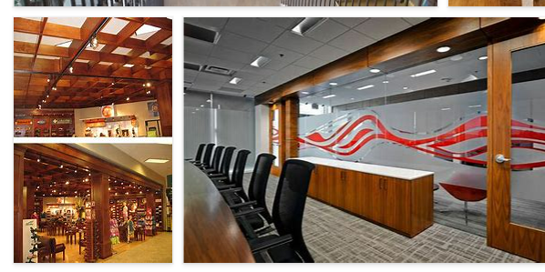
REMOVE | N

PROBLEM_DESC | CAUSE_DESC | REMEDY_DESC
BROKEN/DAMAGED
OTHER PROBLEM
PESTS
SMELL
STOPPED/SLOWED/POOR OPS
VIBRATION
Grand Total

